BodyScan
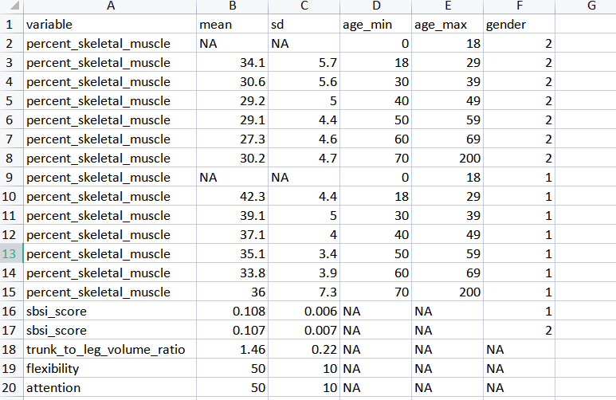
Target Variables | Required Measure | Data Available

trunk_to_leg_volume_ratio | mean | YES
 | standard deviation | YES

waist_to_hip_ratio_score | mean | YES
 | standard deviation | YES
 | age_min | YES
 | age_max | YES
 | gender | YES

body_weight | mean | NO
 | standard deviation | NO
 | age_min | NO
 | age_max | NO
 | gender | NO

height | mean | NO
 | standard deviation | NO
 | age_min | NO
 | age_max | NO
 | gender | NO

waist_circumference | mean | NO
 | standard deviation | NO
 | age_min | NO
 | age_max | NO
 | gender | NO

Data requiremnt for weight, height and wist_circumference

Referance

BodyComposition
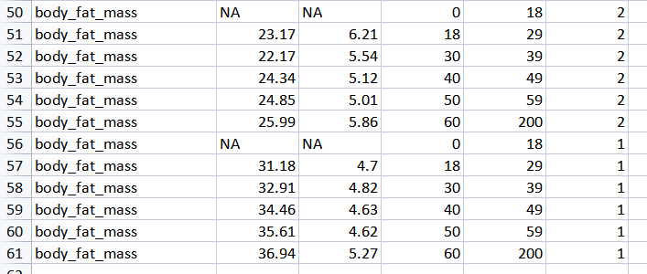
Target Variables | Required Measure | Data Available

percent_skeletal_muscle | mean | YES
 | standard deviation | YES
 | age_min | YES
 | age_max | YES
 | gender | YES

percent_body_fat_mass | mean | NO
 | standard deviation | NO
 | age_min | NO
 | age_max | NO
 | gender | NO

Data requirement for percent_body_fat_mass

Refernce

Added data for percent_body_fat_mass from below URL. Kindly confirm if we can use it
Reference URL: | https://www.researchgate.net/figure/Mean-and-standard-deviation-of-percent-fat-mass-fat-mass-and-lean-mass-in-355-men-and_fig4_277410153

The data which is inserted is as follows

Balance
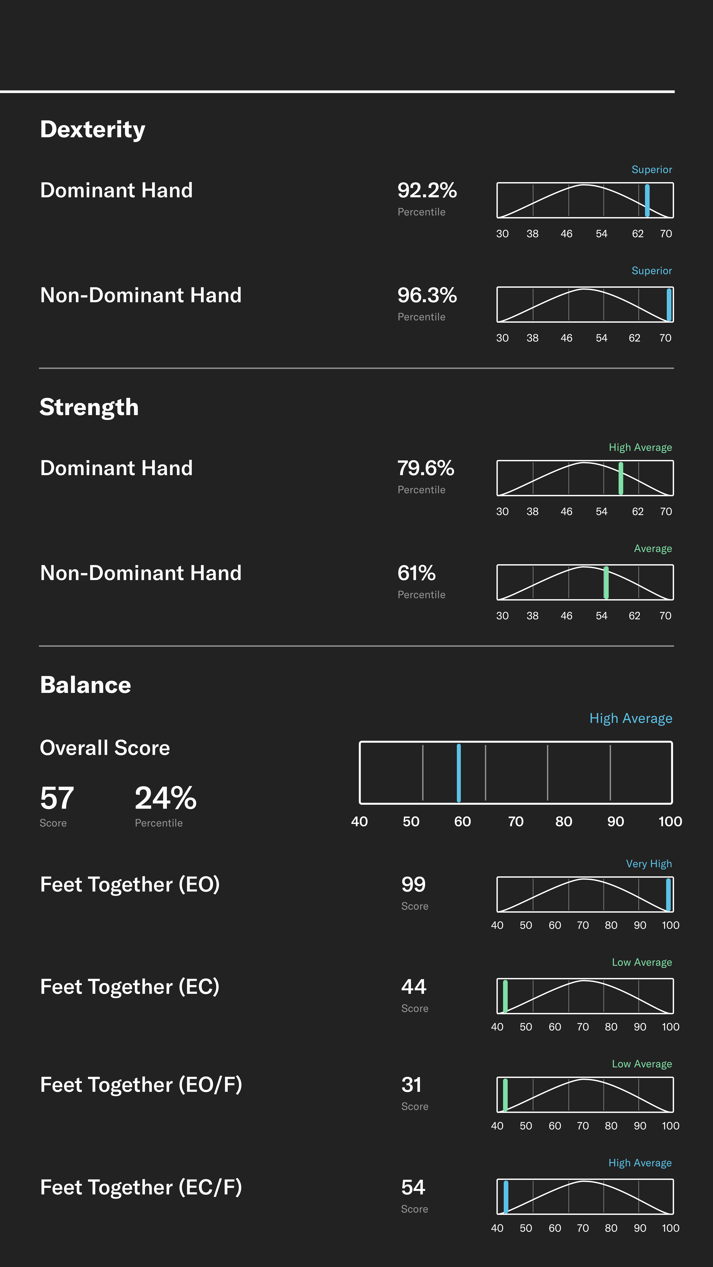

 |  | loc = 50.0, scale = 10.0

Below are the statistic measures used in the balance to get the percentiles
mean | 50
standard deviation | 10

